Sheet1
Inficon Natural Gas Calibration ~1046 |  |  |  | Inficon Natural Gas Verification ~1072 |  |  |  | Inficon Natural Gas Verification ~1025
Component Name | Percentage | HHV (BTU/cuft) | HHV Contribution | Component Name | Percentage | HHV (BTU/cuft) | HHV Contribution | Component Name | Percentage | HHV (BTU/cuft) | HHV Contribution
Nitrogen | 0.800% | 0.00 | 0.00 | Nitrogen | 0.550% | 0.00 | 0.00 | Nitrogen | 0.000% | 0.00 | 0.00
Carbon Dioxide | 0.960% | 0.00 | 0.00 | Carbon Dioxide | 0.200% | 0.00 | 0.00 | Carbon Dioxide | 0.400% | 0.00 | 0.00
Ethane | 4.000% | 1769.00 | 70.76 | Ethane | 6.000% | 1769.00 | 106.14 | Ethane | 2.510% | 1769.00 | 44.40
Propane | 0.500% | 2516.00 | 12.58 | Propane | 0.500% | 2516.00 | 12.58 | Propane | 0.000% | 2516.00 | 0.00
Iso-Butane | 0.200% | 3273.00 | 6.55 | Iso-Butane | 0.200% | 3273.00 | 6.55 | Iso-Butane | 0.000% | 3273.00 | 0.00
Butane | 0.100% | 3268.00 | 3.27 | Butane | 0.200% | 3268.00 | 6.54 | Butane | 0.000% | 3268.00 | 0.00
Iso-Pentane | 0.080% | 4009.00 | 3.21 | Iso-Pentane | 0.050% | 4009.00 | 2.00 | Iso-Pentane | 0.000% | 4009.00 | 0.00
Pentane | 0.080% | 3990.00 | 3.19 | Pentane | 0.050% | 3990.00 | 2.00 | Pentane | 0.000% | 3990.00 | 0.00
Hexane | 0.080% | 4830.00 | 3.86 | Hexane | 0.050% | 4830.00 | 2.42 | Hexane | 0.000% | 4830.00 | 0.00
Heptane | 0.000% | 5550.00 | 0.00 | Heptane | 0.000% | 5550.00 | 0.00 | Heptane | 0.000% | 5550.00 | 0.00
Methane | 93.200% | 1010.00 | 941.32 | Methane | 92.200% | 1010.00 | 931.22 | Methane | 97.090% | 1010.00 | 980.61
Total (%) | 100.00% |  |  | Total (%) | 100.00% |  |  | Total (%) | 100.00%

Est. Higher Heating Value (BTU/cuft) |  |  | 1044.74 | Est. Higher Heating Value (BTU/cuft) |  |  | 1069.44 | Est. Higher Heating Value (BTU/cuft) |  |  | 1025.01

Inficon Propane Gas Calibration ~2510 |  |  |  | Current Propane Gas Calibration ~2510
Component Name | Percentage | HHV (BTU/cuft) | HHV Contribution | Component Name | Percentage | HHV (BTU/cuft) | HHV Contribution
Ethane | 2.500% | 1769.00 | 44.23 | Ethane | 3.500% | 1769.00 | 61.92
Ethylene | 0.250% | 1633.00 | 4.08 | Ethylene | 0.000% | 1633.00 | 0.00
Propane | 93.800% | 2516.00 | 2360.01 | Propane | 92.450% | 2516.00 | 2326.04
Propylene | 2.00% | 2390 | 47.80 | Propylene | 2.70% | 2390 | 64.53
Iso-Butane | 1.000% | 3273.00 | 32.73 | Iso-Butane | 1.100% | 3273.00 | 36.00
Butane | 0.250% | 3268.00 | 8.17 | Butane | 0.160% | 3268.00 | 5.23
Iso-Pentane | 0.050% | 4009.00 | 2.00 | Iso-Pentane | 0.000% | 4009.00 | 0.00
Pentane | 0.050% | 3990.00 | 2.00 | Pentane | 0.000% | 3990.00 | 0.00
iso-Butylene | 0.100% | 3195.00 | 3.20 | iso-Butylene | 0.090% | 3195.00 | 2.88
Total (%) | 100.00% |  |  | Total (%) | 100.00%

Est. Higher Heating Value (BTU/cuft) |  |  | 2504.21 | Est. Higher Heating Value (BTU/cuft) |  |  | 2496.59

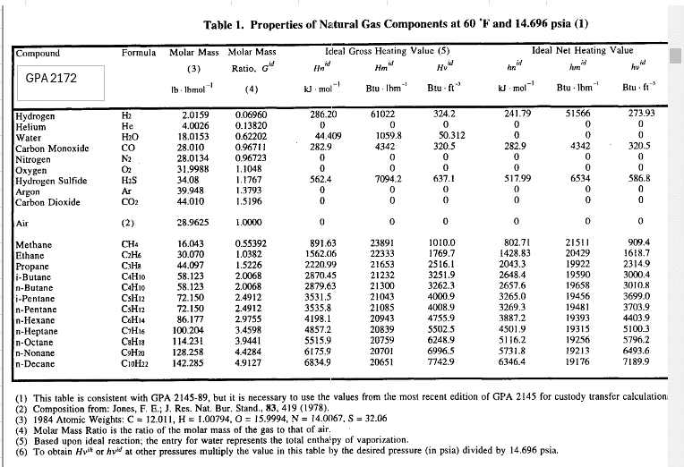

Current Propane Gas Calibration ~2510
Component Name | Percentage | HHV (BTU/cuft) | HHV Contribution
Ethane | 3.500% | 1769.00 | 61.92
Ethylene | 0.000% | 1633.00 | 0.00
Propane | 92.450% | 2516.00 | 2326.04
Propylene | 2.70% | 2390 | 64.53
Iso-Butane | 1.100% | 3273.00 | 36.00
Butane | 0.160% | 3268.00 | 5.23
Iso-Pentane | 0.000% | 4009.00 | 0.00
Pentane | 0.000% | 3990.00 | 0.00
iso-Butylene | 0.090% | 3195.00 | 2.88
Total (%) | 100.00%

Est. Higher Heating Value (BTU/cuft) |  |  | 2496.59

Reference
